1. Title Page
[Instacart Analysis]

Project Name: Instacart Analysis
Date: 7/5/23
Analyst Name: Shannon Pulinat

Contents:
Population Flow
Consistency checks
Wrangling steps
Column derivations
Visualizations
Recommendations

2. Population Flow
Title page

Population flow

Exclusion flag
Condition: max_order < 5
Obervations to be removed: 1,440,295
Final total count of order_products_all: 30,964,564

Orders_products_combined
Orders_products_merged
Orders_products_all

Total: 32,404
Total: 32,434,489
Total: 32,404,859

1.) The grey boxes in the first row of the population flow represent the original data sets as they were when you downloaded them. In the Total fields you need to add the count of the rows when you imported the data set into Jupyter.
2.) The second row of boxes (coloured) represents the data sets after you manipulated them, e.g., removed missing values and duplicates. In the Total fields you need to add the count of the rows after conducting these operations. This offers a visual oveview of how the data flows throughout the data consistency checks.
3.) The third row, where also the arrows are coloured, represents the merges you performed between the datasets. In the Total fields you need to add the count of the rows in the merged datasets, so that you end up with the final dataset (in the red box). Keep in mind the final dataset should be without exclusions (based on the exclusion flag).

3. Consistency checks
 |  |  |  | Title page
Consistency checks

Dataset | Missing values | Missing values treatment | Duplicates
orders | 206,209 values are missing from days since order column. | This is okay because the first orders would be blanks, so I did not do anything about these missing values. This was confirmed in exercise 4.10 when I created a crosstab between 'days_since_prior_order_ and 'order_number'. The values that had 0 corresponded with the order_number one, so this made sense. | no duplicates
products | 16 missing values under product_name | Created new datafram called 'df_prods_clean' | 5 duplicates found. Dropped duplicates. Clean prods is "df_prods_clean"
orders_products_prior | Some "price" values were $14,900 and $99,999, which is a lot higher than one would expect of a grocery store. I discovered this in exercise 4.9. | I replaced these prices with NaN. | None
customers | None | None | None

4. Wrangling steps
 |  |  |  | Title page
Wrangling steps

Columns dropped | Columns renamed | Columns' type changed | Comment/Reason
dropped 'eval_set' from orders csv |  |  | not needed
 | renamed "order_dow to orders_day_of_week to help with understanding |  | Help with understanding
 |  | order_id' to string | used as identification so needed to be string
 |  | user_id to string | used as identification so needed to be string
First Name from customers |  |  | protect privacy (PII)
surnam from customers |  |  | protect privacy (PII)
 | "Gender" from orders.csv |  | To keep columns uniform
 | "STATE" from orders.csv |  | To keep columns uniform
 | "Age" from orders.csv |  | To keep columns uniform
 | "n_dependants" from orders.csv |  | Help with understanding

5. Column derivations
 |  |  |  |  | Title page

Column derivations and aggregations

In this tab you should add tables below that the frequences of flags/label variables that you produced after deriving them. NB: don't do this for continuous variables, only for flags.
Dataset | New column | Column/s it was derived from | Conditions
orders_prods_merged_grouped_aggregated | "Price_Label" | "prices" | price in [0,5]: "Low-range product" | 10,126,321
 |  |  | price in (5,15]: "Mid-range product" | 21,860,860
 |  |  | price > 15: "High-range product" | 417,678

orders_prods_merged_grouped_aggregated | "Busiest Days" | "orders_day_of_week" | if day 0 (Sat.), "Busiest day" | 6,204,182
 |  |  | if day 4 (Wed.), "Least busy" | 3,783,802
 |  |  | otherwise, "Regularly busy" | 22,416,875

orders_prods_merged_grouped_aggregated | "busiest period of day" | "order_hour_of_day" | 9am-4pm: "Most orders" | 21,118,071
 |  |  | 11pm-6am: "Fewest orders" | 1,289,137
 |  |  | otherwise: "Average orders" | 9,997,651

orders_prods_merged_grouped_aggregated | "max_value" | "order_number" | displays total number of orders each customer has made

orders_prods_merged_grouped_aggregated | "loyalty_flag" | "max_order" | max_order > 40: "Loyal customer" | 10,284,093
 |  |  | 10 < max_order <= 40: "Regular customer" | 15,876,776
 |  |  | max_order <= 10: "New customer" | 6,243,990

orders_prods_merged_grouped_aggregated | "mean_price" | "prices" | displays mean price of items purchased by each user

orders_prods_merged_grouped_aggregated | "spending_flag" | "avg_price" | avg_price < 10: "Low spender" | 31,770,614
 |  |  | avg_price >= 10: "High spender" | 634,245

orders_prods_merged_grouped_aggregated | "median_days" | "days_since_prior_order" | displays median number of days each user takes between orders

orders_prods_merged_grouped_aggregated | "frequency_flag" | "median_days_since_prior_order" | median > 20: "Non-frequent customer" | 3,636,437
 |  |  | 10 < median <= 20: "Regular customer" | 7,208,564
 |  |  | median <= 10: "Frequent customer" | 21,559,853

Ors_prods_profiles.pkl | "region" | "state" | "midwest" | 7,597,325
 |  |  | "northeast" | 5,722,736
 |  |  | "south" | 10,791,885
 |  |  | "west" | 8,292,913

Ors_prods_profiles.pkl | "age_group" | "age" | age <= 35 "Young Adult" | 8,242,295
 |  |  | 35 < age < 65: "Middle-aged" | 14,526,725
 |  |  | age >= 65: "Senior" | 8,195,544

Ors_prods_profiles.pkl | income_group | income | income < 75000 : '025-75k' | 12,779,840
 |  |  | income 75000 to < 125000 : '075-125k' | 9,906,680
 |  |  | income >= 125000: '125k+' | 8,278,044

Ords_prods_profiles.pkl | dependants | number_dependants | Has dependants | 23,224,883
 |  |  | No dependants | 7,739,681

Ords_prods_profiles.pkl | diet_style | department_id | meat-eater | 23,065,332
 |  |  | vegetarian | 7,589,236
 |  |  | vegan | 309,996

6. Visualizations
 |  |  | Title page

Visualisations

In this tab you should include all the visualtions from Exercises 4.9 and 4.10, alongside the questions from the project brief that they answer. Include any commentary on the relationship between different variables.

Key Question: What are the busiest days of the week and hours of the day?
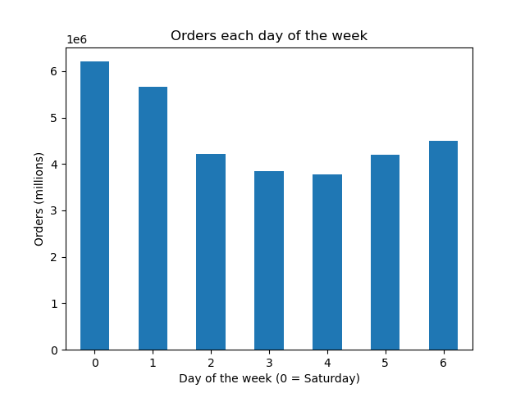


 | The bar graph to the left shows the days of the week and the number of orders in the millions. The numbers on the x axis represent the days of the week. | The histogram to the right shows the hours of the day on the x axis and the number of items ordered during that hour. According to the histogram, the busiest times of day are from 10AM to 4PM, with over 2.5 million items sold.The slowest times for Instacart are between 12AM and 6 AM, when less than 0.5 million are sold.
 | 0=Saturday
 | 1=Sunday
 | 2=Monday
 | 3=Tuesday
 | 4=Wednesday
 | 5=Thursday
 | 6=Friday

 | The busiest days of the week are Saturday and then Sunday. The slowest days of the week are Wednesday followed by Tuesday.

Key Question: Are particular times of the day when people spend the most money?
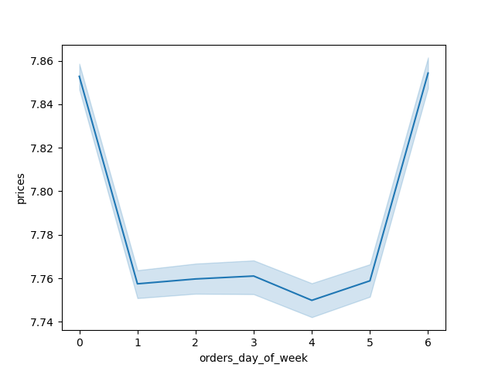


The first line graph shows the average price for items for the orders made each day of the week. According to that line graph, customers spend the most money on Saturdays (day 0) and Fridays (day 6). This may be because they are spending the most money in preparation for the busy weekend or getting ready for a busy week.
According to the second line graph, the most money is spent during the less busy hours of the day and there is a high variation of money spent during that time period. The average and outliers may be high during this time beacuse there are not as many purchases during this time period.

Key Question: Are there certain types of products that are more popular than others?
The marketing and sales teams want to know which departments have the highest frequency of product orders?
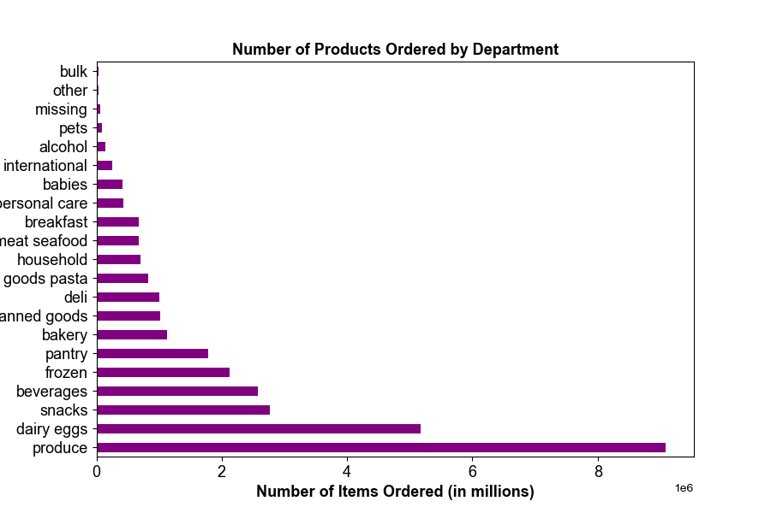
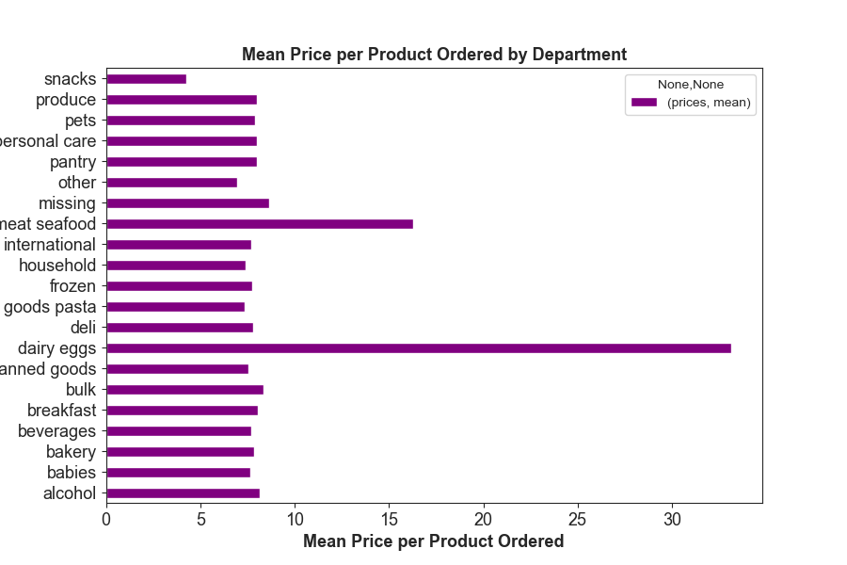

The first bar graph shows the number of products ordered by each department. According to this graph, the most popular items sold by order number is produce and dairy eggs.
The second graph shows the average price sold of each department. As seen on the second bar chart, the dairy eggs have the highest mean price per order and the meat/seafood have the second highest average price per order.

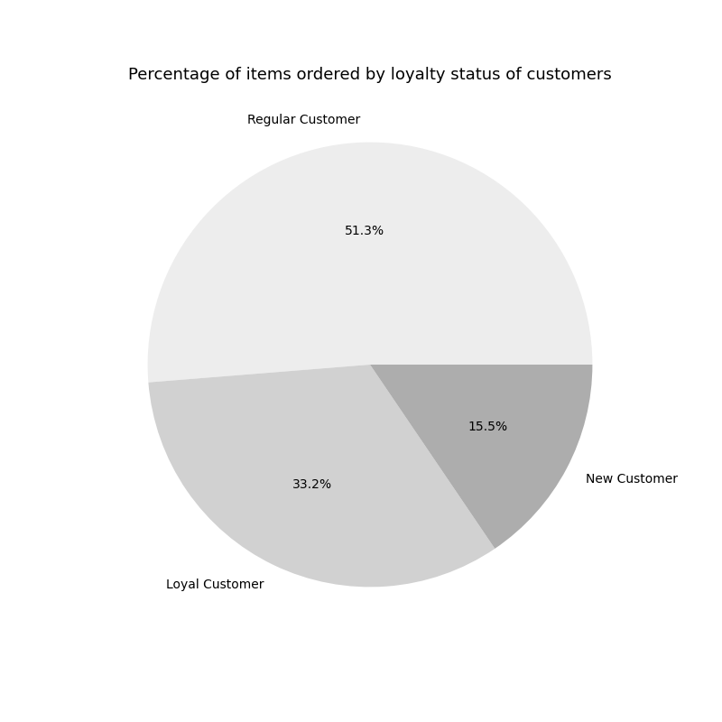
Key Question: What's the distribution among users in regards to brand loyalty?

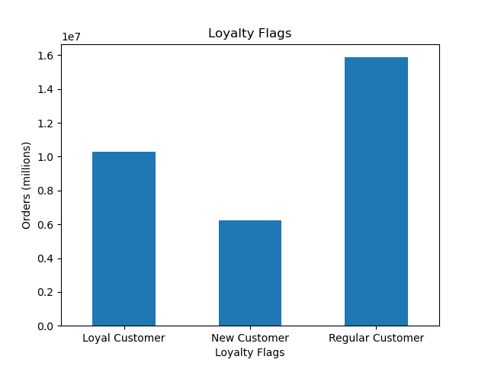
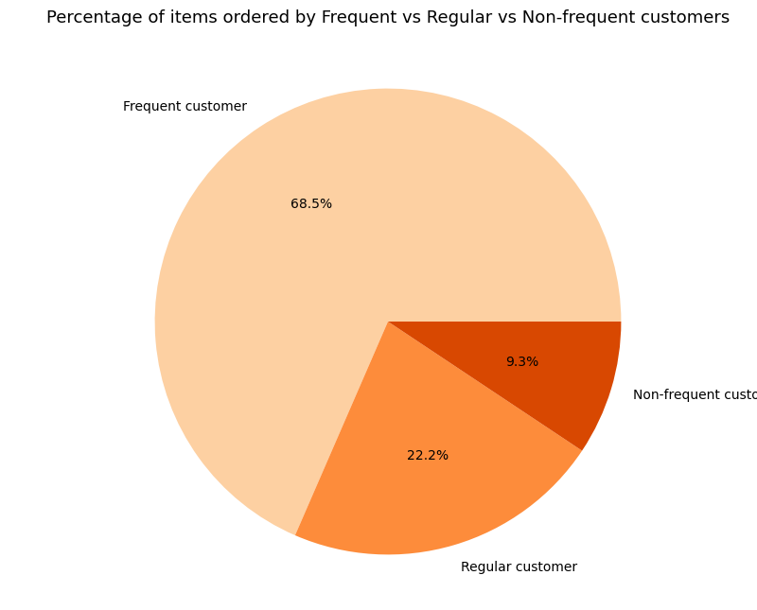

The orange pie chart shows the percentage of orders made by frequent, non-frequent, and regular customers. This shows that the majority of orders are made by frequent customers and then regular customers.

The bar chart on the left shows that most orders are by regulary customers and loyal customers have the second highest orders. Loyal customers are those that have made over 40 orders. Regular customers are those that have made between 10 and 40 orders.
According to the pie chart, 51% of the orders are made by regular customers and 33% are made by loyal customers. Alltogether, 84% of the orders are made by regular and loyal customers.

Key Question: Are there differences in ordering habits based on a customer's loyalty status?
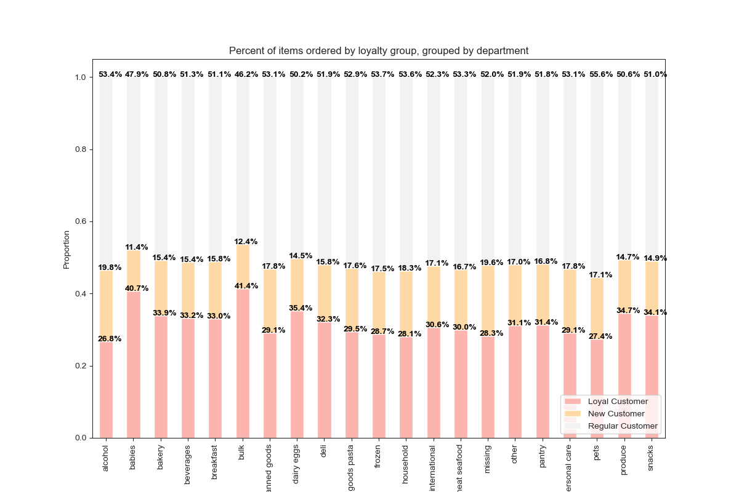

This 100% stacked bar shows the breakdown of items ordered by department by customer loyalty status. As seen by the stacked bars for each department, they are fairly equal across the similar loyalty status'. As I analyze this chart, it's important that I compare departments across similar loyalty status.
Loyal Customers: 40.4% s their items are bulk items and 40.7% of items are baby items.
Regular customers: 53.7% of the frozen items sold are bought by regular customers as well as 53.6% of household items and 53.4% of alcoholic items.
New customers: 19.8 % of alocholic items and 17.8% of canned goods and pantry items are bought by new customers.

Key Question: Are there differences in ordering habits based on region?
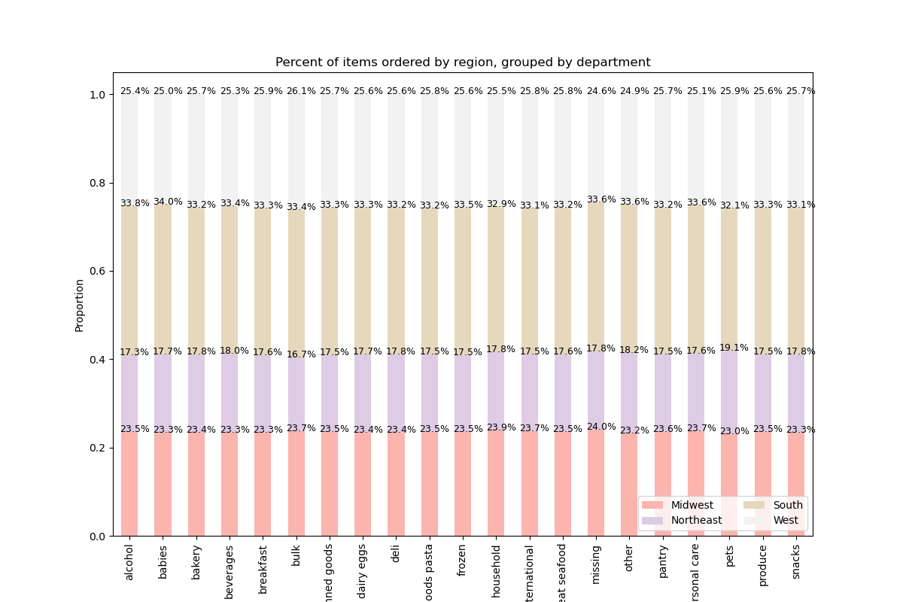

This 100% stacked bar shows the breakdown of items ordered by department region in the United States. As seen by the key, the pink represents the Midwest, the purple represents the Northeast, the green represents the South, and the grey represents the West.
Across the stacked bars, you can see a fairly even distribution of items sold by region. The south region is more heavily populated and has the most instacart sales for each department. The items that were bought the most in the south is from the alcohol with 33.8% of those items sold. In the midwest, the household items are sold the most (not including the missing cateogry). In the Northeast region,the pet items are sold the most. Finally, in the West region, pets and breakfast items take up 25.9% of the items.

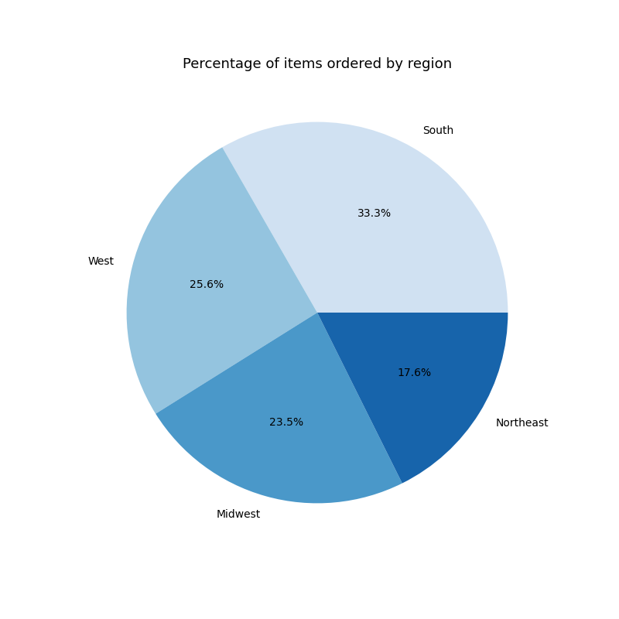

As seen in this pie chart, 33.3% of the items sold by Instacart are sold in the Southern region. 25.6% of the items are sold in the West and 23.5% of the items are sold in the Midwest. Finally, the remaining 17.6% of items are sold in the Northeast.

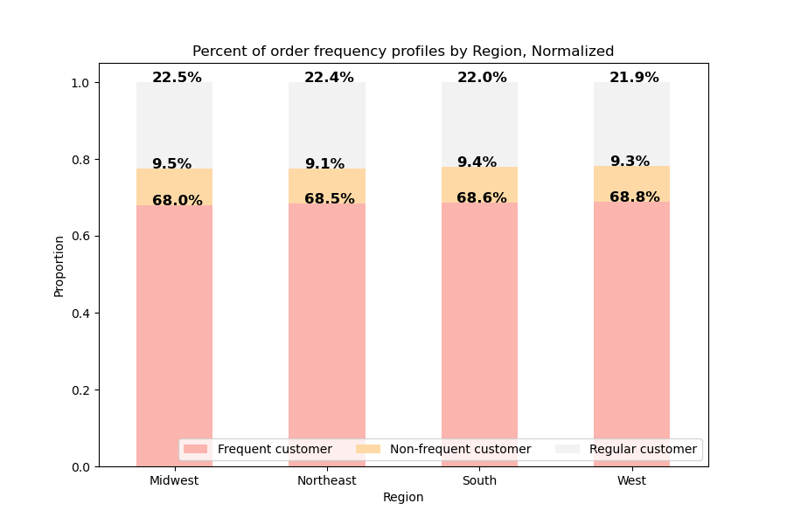

According to this stacked bar chart, the majority of the customers in each region are Frequent customers, followed by regular customers. The west holds the most with 68.8% of the customers being frequent customers. The midwest has the highest percentage of non-frequent customers, with 9.5% of their total customers.

Key Question: Is there a connection between age and family status in terms of ordering habits.

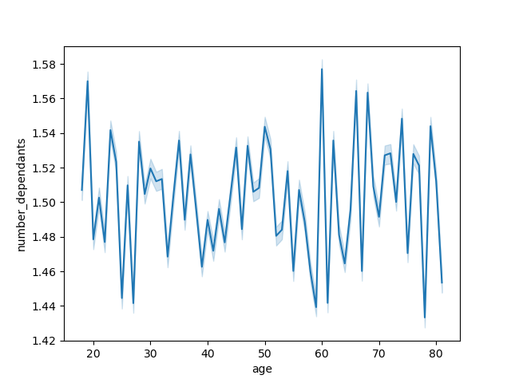

This line graph shows the age and number of dependants. As seen by this graph, there is no trend between these two variables. is a larger average of dependants for those in their early twenties and sixties. If one has more dependants, it makes sense that they would spend more money on groceries. However, I was not able to conclude a connection between age and family status.

Key Question:
Question: What different classifications does the demographic information suggest? Age? Income? Certain types of goods? Family status?
Question: What differences can you find in ordering habits of different customer profiles?

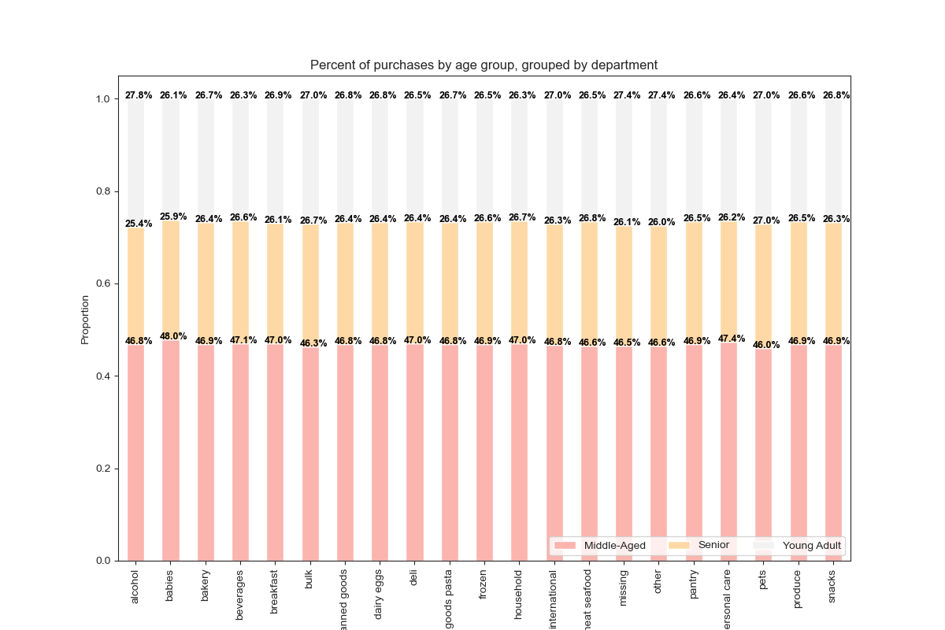
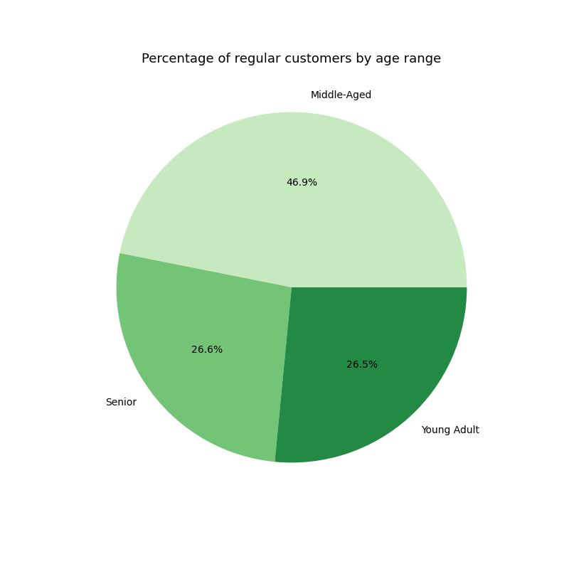


The green pie charts show the relationship between regular customers and age range (left pie chart) and items ordered by age range for all customers. Both charts show the highest percentage of items bought by middle-aged people, which include ages 35 to 65. The senior adults (over 65) and young adults (18-35) bought about 26.5-26.6% of items.

According to the stacked bar chart, most of the percentages sold in each department was by the middle-aged group. The seniors and young adults split the other half of items sold for each department. This data compliments the data in the pie charts.

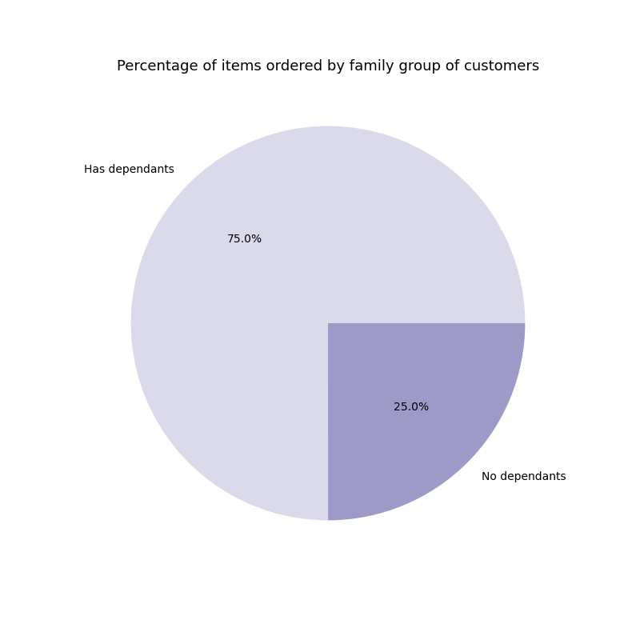
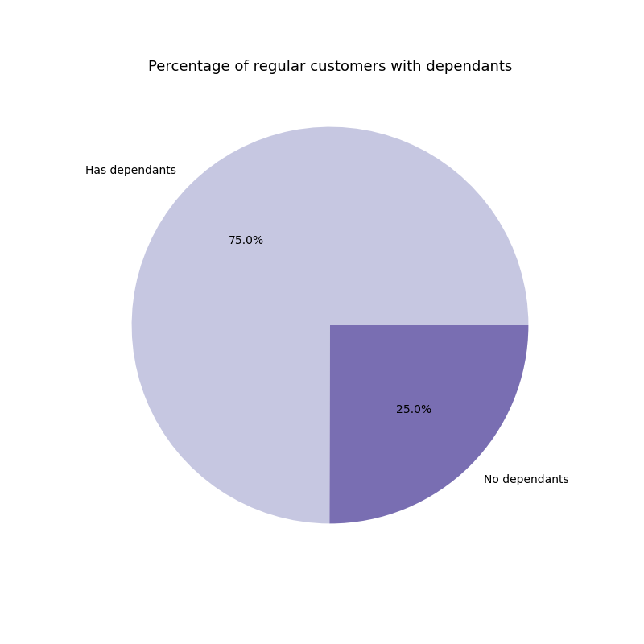

The purple pie chart on the left depicts the percentage of items ordered by families with dependants and those without dependants. The pie chart on the right shows the percentage of regular customers (those with over 5 orders) that have dependants and those that do not. Both pie charts show that more items were ordered by those that have dependants and 25% of the items sold by instacart are by the families that do not have dependants.

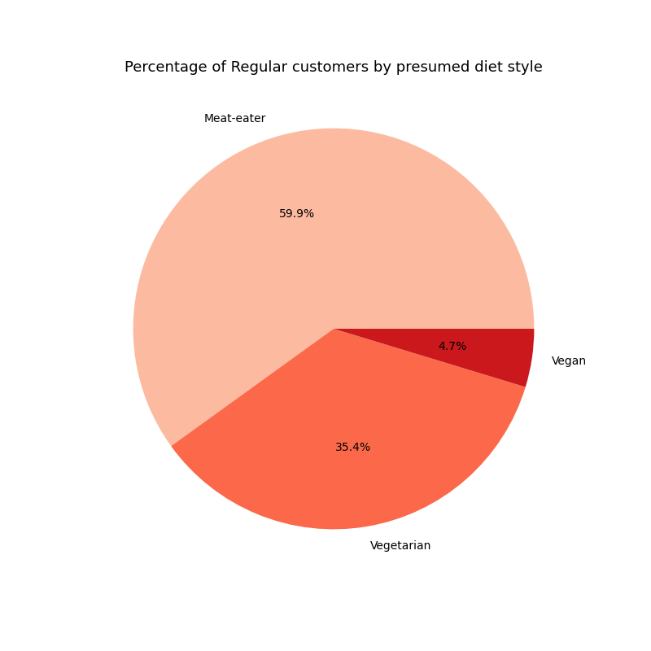

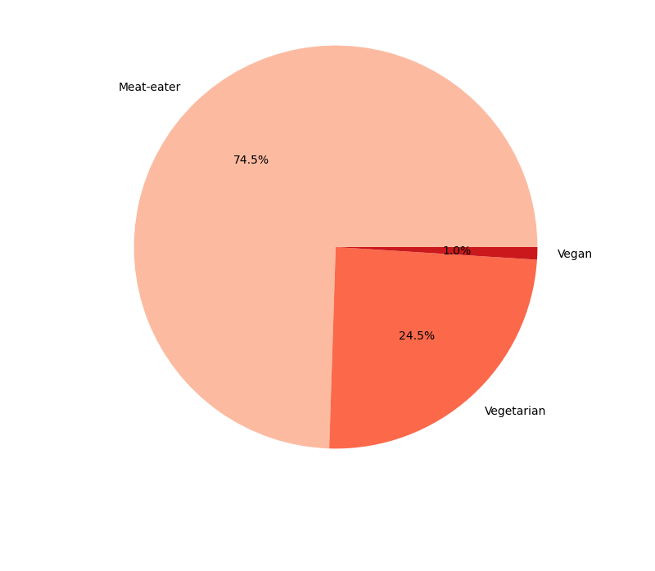
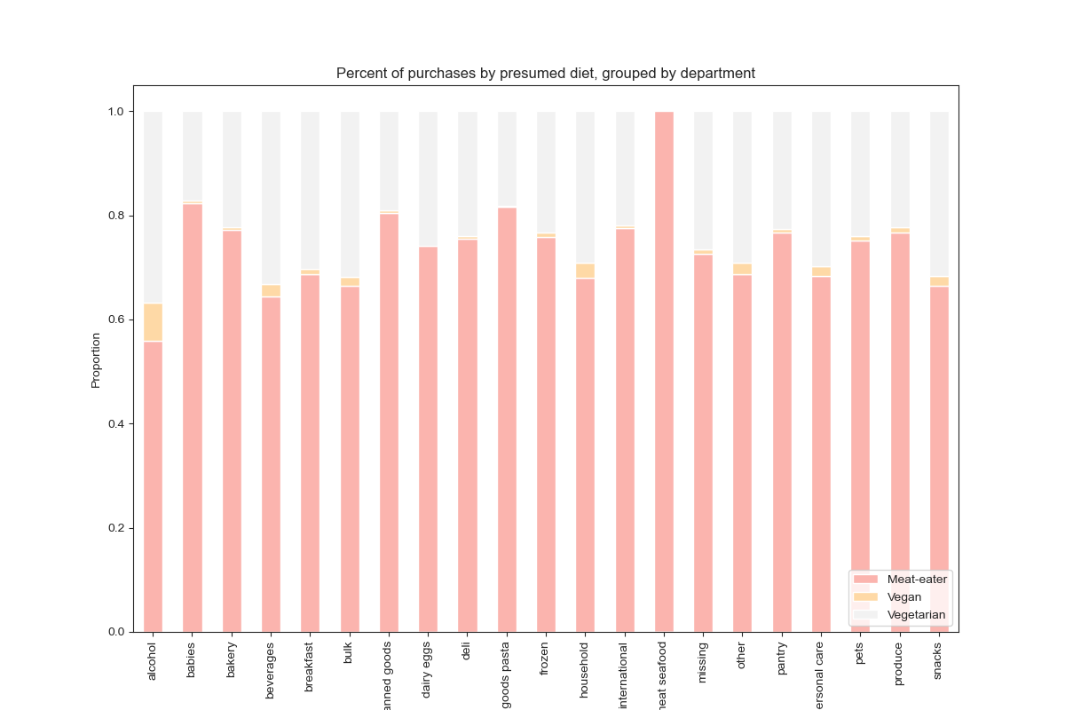

The stacked bar chart on the right shows the items sold by deparment for meat-eaters, vegetarian, and vegans. Meat-eaters purchased the most items in all departments, and they purchased 100% of the meat/seafood items. The vegan eaters had a larger percentage of alcohol compared to all other departments.

The orange pie chart on the left shows the percentage of orders by all customers by diet_style and the pie chart on the right shows the percentage of regular customers by diet style. In the left pie chart that depics all customers, 74.5% of them are meat-eaters, 24.5% are vegetarian (bought only vegetarian products) and 1% are vegan (only bought vegan products). The pie chart on the right correlates with this chart. The majority of products were bought by meat-eaters. 35.4% of the regular customers are vegetarian, and 4.7% are vegan. There is a higher percentage of vegetarian and vegan customers out of the regular instacart customers.

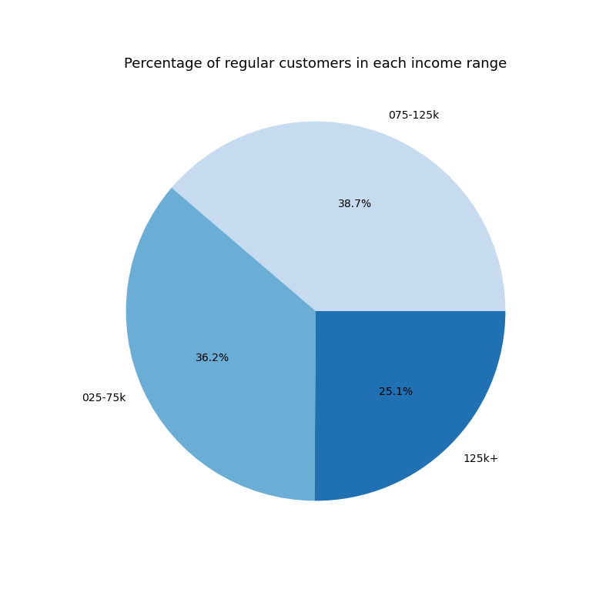

The blue pie charts show the income groups of families and the percentage of items ordered. The blue chart on the left shows the percentages of ALL customers (regular and new) while the chart on the right shows the percentages of only regular customers. In both pie charts, those with 75-125k (middle income group) had the highest percentage of orders.
All Customers pie chart:
125k group had lowest percentage with 26.7%
75-125k group had highest percentage with 41.3%
25-75k had middle percentage with 32%
Regular customers pie chart:
125k had lowest with 25.1%
75-125k had highest with 38.7%
25-75k group had middle with 36.2%

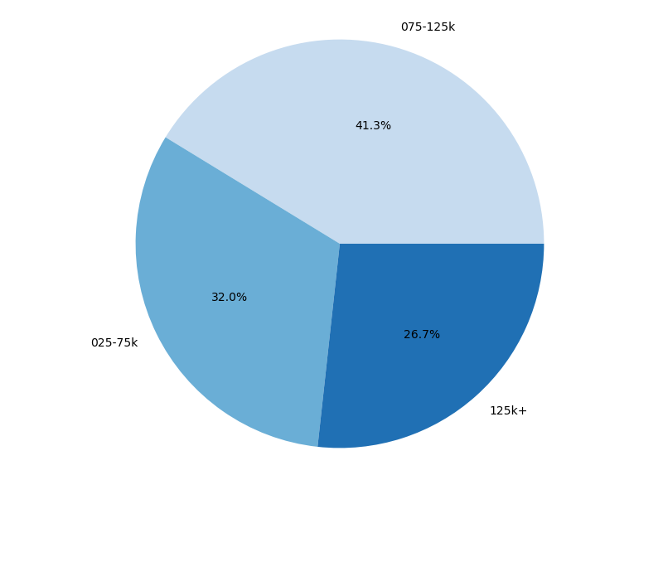
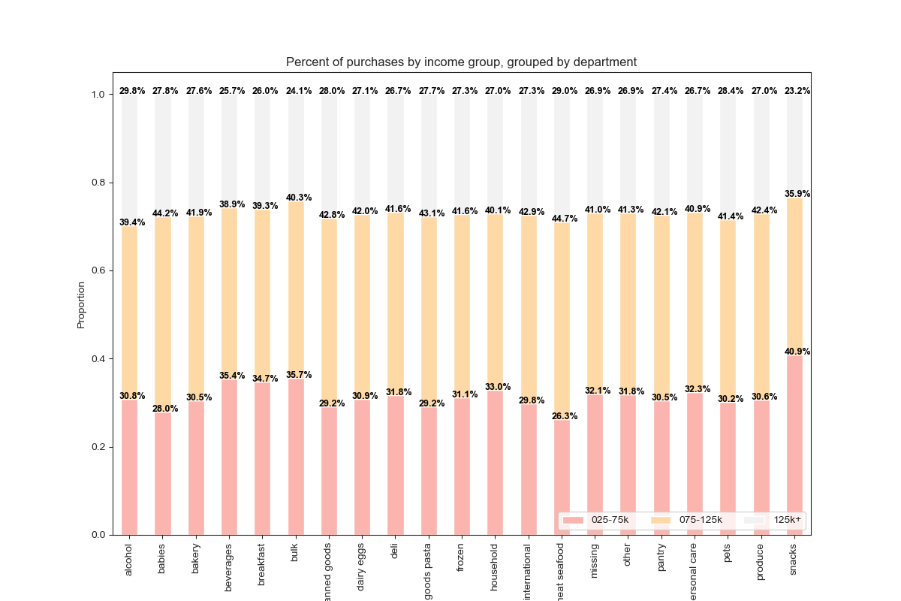

The stacked bar chart on the right shows the items sold by deparment for those in different income groups.
25-75k Group: Highest percentage of snacks purched. This percentage was more than the 75-125k and 125k+

7. Recommendations
 | Title page

Recommendations

In this tab you should include any recommendations you would made to Instcart in terms of their marketing strategy based on the questions posed in the brief. Every key question has been covered in the Tasks of the Exercises - here you need to add an item - a visualisation or table/crosstable that is showing the answer in the data, acompanied by a comment from you. Please, list the questions below and add the answer underneath.

Key Question: What are the busiest days of the week and hours of the day?

0=Saturday
1=Sunday
2=Monday
3=Tuesday
4=Wednesday
5=Thursday
6=Friday
According to the bar graph, the busiest days of the week are Saturday and then Sunday. The slowest days of the week are Wednesday followed by Tuesday.
According to the histogram, the busiest times of day are from 10AM to 4PM, with over 2.5 million items sold.The slowest times for Instacart are between 12AM and 6 AM, when less than 0.5 million are sold.
Recommendations: The best times to schedule ads is on Sundays and Saturdays since that's when most instacart customers will see the ads. It's best to show the ads between 10AM and 4pm, since these are the busiest hours of the day.

Key Question: Are there particular times of the day when people spend the most money?

Fridays and Saturdays are the days of the week when customers spend the most money.
The price variation by hour line chart shows the most expensive items are bought around 4am and then there's a dip untill 10am and then a steady increase in items.
Recommendations: The best times to show ads is on Fridays and Saturdays since that's when the more expensive orders are made.

Key Question: What are simpler price range groupings that can be used?
I divided the prices into three groups: low-range product, mid-range product, and high-range product. The products that are less than $5 fall under the low-range product group. The products in the mid-range group are between $5 and $15. The last category are for high-range products which are over $15.
Recommendations: The mid-range product group has over 20,000 orders. The smallest number of orders is in the high-range products (over $15). Instacart could have more advertisements for higher-range products to increase high-range product sales.

Key Question: Are there certain types of products that are more popular than others?
The marketing and sales teams want to know which departments have the highest frequency of product orders?

The produce, dairy eggs, snacks, and beverages are the most sold items.
In terms of prices, The dairy eggs and meat/seafood compose most of the average sales.
Recommendations: Advertisements of the quality of produce, the dairy eggs, and meat and seafood can bring more customers to using this app.

Key Question: What's the distribution among users in regards to brand loyalty?

The majority of users are regular customers, who have between 10 and 40 orders. 51.3% of the orders are made by these regular customers. 33.2% of the orders are made by loyal customers, who made over 40 orders. Finally, the newer customers, who made less than 10 orders, make up 25.5% of the total orders.
When comparing the frequent, regular, and non-frequent customers, the frequent customers (those regularly placing an order more then once every 10 days) made up 68.5% of the items ordered. The regular customers (those regularly placing an order between once every 10 days and once every 20 days) made 22.5% of the items ordered. The remaining 9.3% was purchased by non-frequent customers.
Recommendations: Regular customers (those that had 10 to 40 orders) and frequent customers (those that regularly placed an order more than once every 10 days) have the highest frequency of orders, so it's best to advertise for them.

Key Question: Are there differences in ordering habits based on a customer's loyalty status?

Loyal Customers: 40.4% s their items are bulk items and 40.7% of items are baby items.
Regular customers: 53.7% of the frozen items sold are bought by regular customers as well as 53.6% of household items and 53.4% of alcoholic items.
New customers: 19.8 % of alocholic items and 17.8% of canned goods and pantry items are bought by new customers.
Recommendations: Advertise alcohol to loyal customers since it's the smallest percentage of items bought by that group. It's also visible that regular and loyal customers order a large amount of bulk items and dairy items, so having sales such as BOGO50 (buy one get one fifty percent off) for those items may increase sales in those departments.

Key Question: Are there differences in ordering habits based on region?

Recommendations: The percentage of products ordered are evenly distributed among the different regions. The Northeast had the smallest percentage of items, but it's porportionate to the population size of this region.

Key Question: Is there a connection between age and family status in terms of ordering habits.

There is no connection between age and family status. There are a high number of dependants for those in their twenties as well as those in their sixties-seventies. The more dependants they have, the more items the family will need. However, there is no connection that can be made from this data.

Key Question:
Question: What different classifications does the demographic information suggest? Age? Income? Certain types of goods? Family status?
Question: What differences can you find in ordering habits of different customer profiles?

There is no major difference in age groups when it comes to items bought. The middle-aged population ordered the most items, but the items purched was porportionate to the other groups for the other departments.

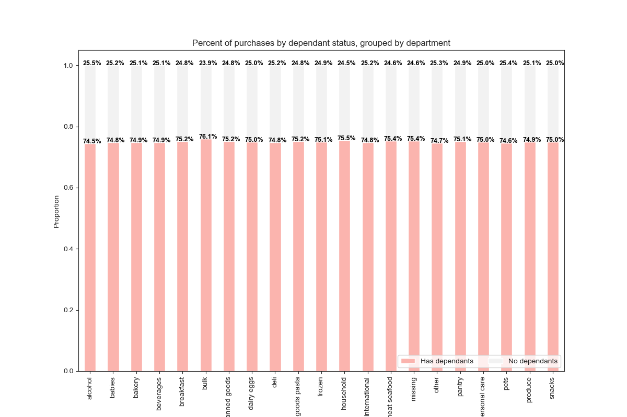

Those with dependants purched more items than those without dependants. This makes sense since they have more people to support. I expected those with dependants to purchase a significant number of more bulk items, but that was not the case. They ordered 76.1% of the bulk items, which is slightly more than 3/4 %. With this, I would conclude that more avertisements for bulk items can be made for those with dependants.

There is a large difference in ordering habits between the groups with different diet styles. The advertisments for meat a seafood should be made solely to the meat eaters. I also suggest the dairy products and dairy eggs advertisements should be made to the vegetarians and meat-eaters.

I could not conclude a significant difference in income and items bought. Those in the low income range bought 40% of the snack items while only 23% of those items were bought by those in the 125k income group. I recommend Instacart advertise snack items to those in the low income group to continue to increase sales on this item.

